Sheet1
 |  | Document No. | Issue No. | Issue Date |  | Review and Replace Date |  | Authorised By
 |  | GFF017MC | 1 | New Issue |  | 2022-06-30
 |  | Document Title | Gc- 10 Chicken Samosa | Jumbo | 1200G -High Risk
 |  |  |  |  |  |  |  | Magda Shah
Document amendments reason for change |  | New Issue | Page 1 of 1 |  | Previous Issue Date |  | New | Uncontrolled copy unless signed original

CCSAJ-B10T | Gazebo (BULK-SNACKS) |  | Gc- 10 Chicken Samosa | Jumbo | 1200G
STEP 1 |  |  |  |  | STEP 2
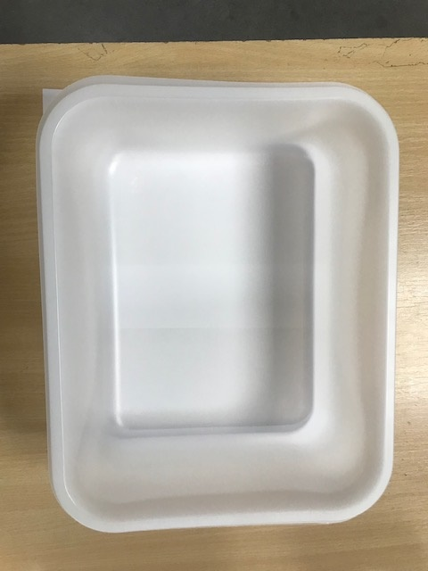

Tray:HW320/115 - Translucent - 554 (PKPRO001-13) |  |  |  |  | Chicken Tikka Samosa XL (Jumbo) 120G(GFF038R): 10 Pieces (1200g)
Film: S340AF(PE)340mm X 510m AF Weld PE (PKPRO001-17)
STEP 3
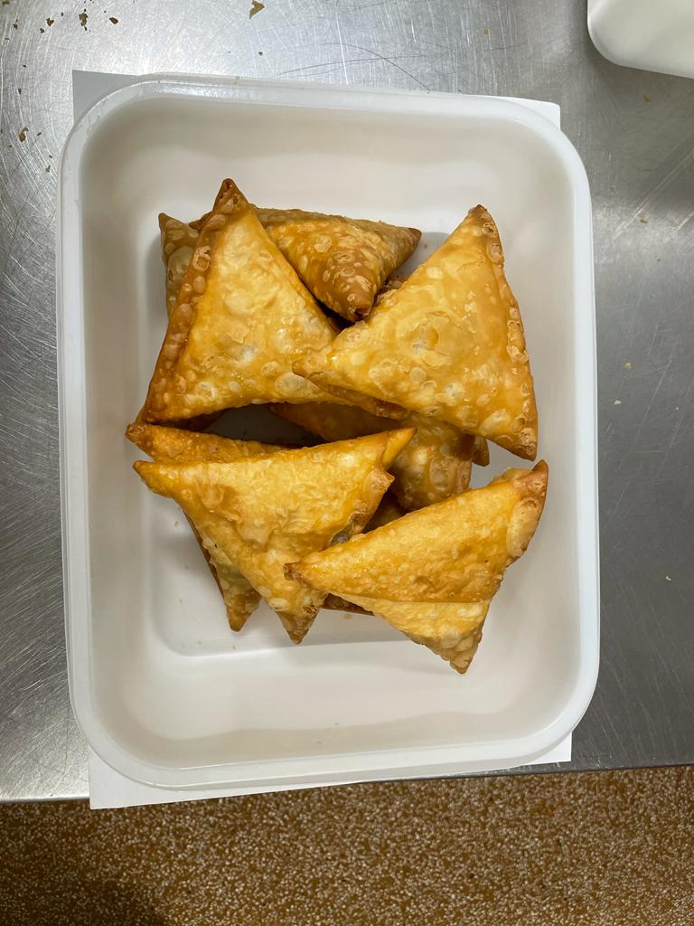 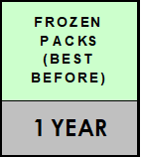

TOTAL WEIGHT: 1200g

ALLERGY ALERT: Wheat, Soya

